Sound Absorption
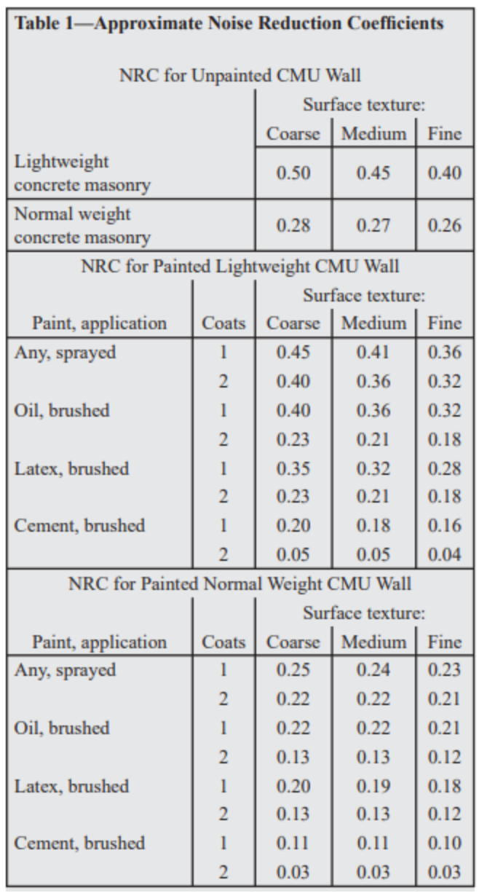
Noise Reduction Coefficient (NRC) (100% Sound Absorbtion = 1.00 NRC)

CMU Density: | Normal weight
CMU Surface Texture: | Medium

NRC for Unpainted CMU Wall: | 0.27

Paint, application: | Any, sprayed

NRC for Painted CMU Wall (1 coat): | 0.24
NRC for Painted CMU Wall (2 coats): | 0.22

REF SHEET
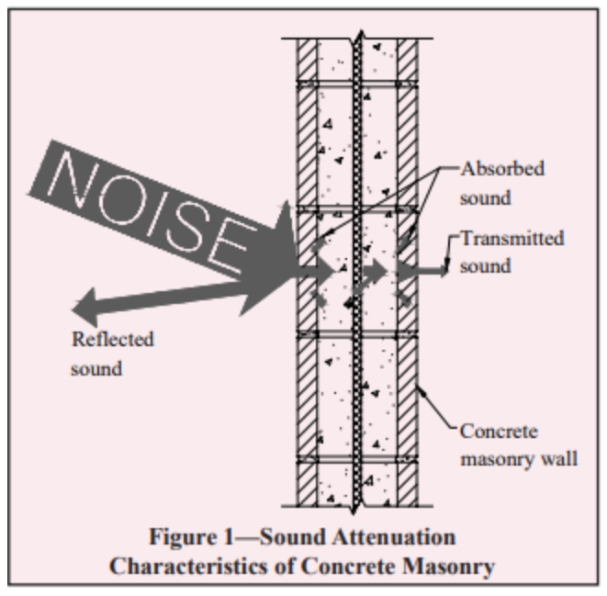
Sound Absorption Coefficient |  |  |  |  | - |  | 8-inch |  |  |  |  |  |  | 10-inch |  |  |  |  |  |  | 12-inch
 | Lightweight CMU |  |  |  | Lightweight |  |  | 85 | 95 | 105 | 115 | 125 | 135 |  | 85 | 95 | 105 | 115 | 125 | 135 |  | 85 | 95 | 105 | 115 | 125 | 135
Sound Absorption Average (SAA) | Coarse | 0.50 |  |  | Normal weight |  | - | - | - | - | - | - | - | - | - | - | - | - | - | - | - | - | - | - | - | - | -
 | Medium | 0.45 |  |  |  |  | Hollow unit | 44 | 45 | 46 | 47 | 48 | 49 | Hollow unit | 46 | 48 | 49 | 50 | 50 | 51 | Hollow unit | 48 | 49 | 50 | 51 | 52 | 53
Noise Reduction Coefficient (NRC) | Fine | 0.40 |  |  |  |  | Grout-filled unit | 55 | 55 | 56 | 56 | 57 | 57 | Grout-filled unit | 58 | 58 | 59 | 59 | 60 | 60 | Grout-filled unit | 61 | 61 | 62 | 62 | 63 | 63
 |  |  |  |  |  |  | Sand-filled unit | 52 | 52 | 53 | 54 | 54 | 55 | Sand-filled unit | 55 | 55 | 56 | 57 | 57 | 58 | Sand-filled unit | 57 | 58 | 58 | 59 | 60 | 60
 |  |  |  |  | - |  | Solid unit | 52 | 53 | 54 | 55 | 56 | 57 | Solid unit | 55 | 56 | 57 | 58 | 59 | 60 | Solid unit | 57 | 58 | 60 | 61 | 62 | 63
 | Normal weight CMU |  |  |  | Coarse
 | Coarse | 0.28 |  |  | Medium
 | Medium | 0.27 |  |  | Fine
 | Fine | 0.26

 |  |  |  |  | -
 |  |  |  |  | Any, sprayed
 |  |  |  |  | Oil, brushed
 |  |  |  |  | Latex, brushed
 | Lightweight CMU (1 coat) |  |  |  | Cement, brushed
 |  | Coarse | Medium | Fine
 | Any, sprayed | 0.45 | 0.41 | 0.36
 | Oil, brushed | 0.40 | 0.36 | 0.32
 | Latex, brushed | 0.35 | 0.32 | 0.28
 | Cement, brushed | 0.20 | 0.18 | 0.16 |  | -
 |  |  |  |  |  | 85
 | Lightweight CMU (2 coats) |  |  |  | - | 95
 |  | Coarse | Medium | Fine | 1 | 105
- | Any, sprayed | 0.40 | 0.36 | 0.32 | 2 | 115
Drywall on one side of the wall with no sound absorbing material in the furring space | Oil, brushed | 0.23 | 0.21 | 0.18 |  | 125
Drywall on both sides of the wall and no sound absorbing material in the furring spaces | Latex, brushed | 0.23 | 0.21 | 0.18 |  | 135
 | Cement, brushed | 0.05 | 0.05 | 0.04

 | Normal weight CMU (1 coat)
 |  | Coarse | Medium | Fine | -
 | Any, sprayed | 0.25 | 0.24 | 0.23 | 8
 | Oil, brushed | 0.22 | 0.22 | 0.21 | 10
 | Latex, brushed | 0.20 | 0.19 | 0.18 | 12
 | Cement, brushed | 0.11 | 0.11 | 0.1

 | Normal weight CMU (2 coats)
 |  | Coarse | Medium | Fine
- | Any, sprayed | 0.22 | 0.22 | 0.21
One Side | Oil, brushed | 0.13 | 0.13 | 0.12
Both Sides | Latex, brushed | 0.13 | 0.13 | 0.12
 | Cement, brushed | 0.03 | 0.03 | 0.03

-
Yes
No

