8" High CMU
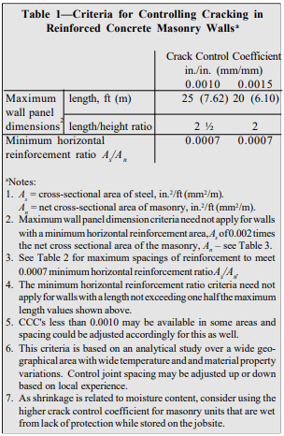
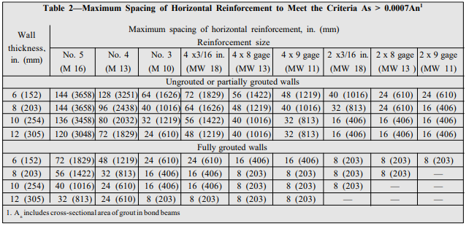
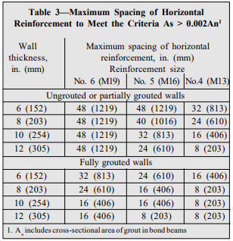
8" High CMU Control Joint Spacing
Wall Height: | 12 | ft | 8 | in
Method: | Empirical
Crack Control Coefficient: | 0.0015 | (Engineered Method Only)

Maximum Length-to-Height Ratio: | 1.5
Maximum Control Joint Spacing: | 25

Straight Wall Length (ft): | 18.667 | ft
Corner Length (ft): | 9.333 | ft

Empirical Method NCMA TEK 10-2D (2010)
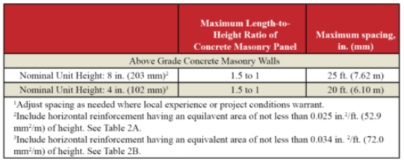
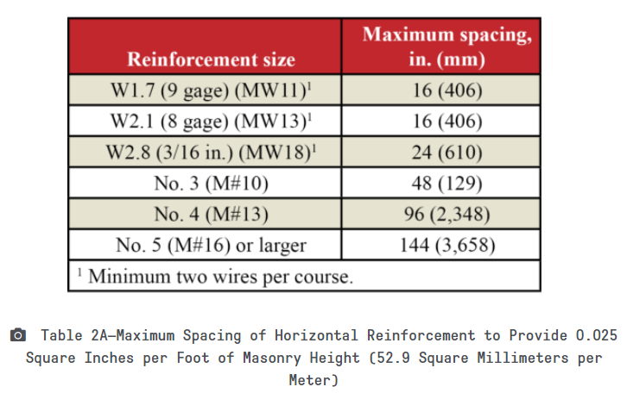

The decision to utilize this information is not within the purview of the MIM, and persons making use of this information do so at their own risk. MIM makes no representation or warranties, expressed or implied, with respect to the accuracy or suitability of this information. MIM and its members disclaim liability for damages of any kind, including any special, indirect, incidental, or consequential damages, which may result from the use of this information. This information is not to be interpreted as indicating compliance with, or waiver of, any provision of any applicable building code, ordinance, standard or law.

Alternative Engineered Method NCMA TEK 10-3 (2003)

4" High CMU
4" High CMU Control Joint Spacing
Wall Height: | 19 |  | 4 | in
Method: | Empirical
Crack Control Coefficient: | 0.0015 | (Engineered Method Only)

Maximum Length-to-Height Ratio: | 1.5
Maximum Control Joint Spacing: | 20

Straight Wall Length (ft): | 20.000 | ft
Corner Length (ft): | 10.000 | ft

Empirical Method NCMA TEK 10-2D (2010)
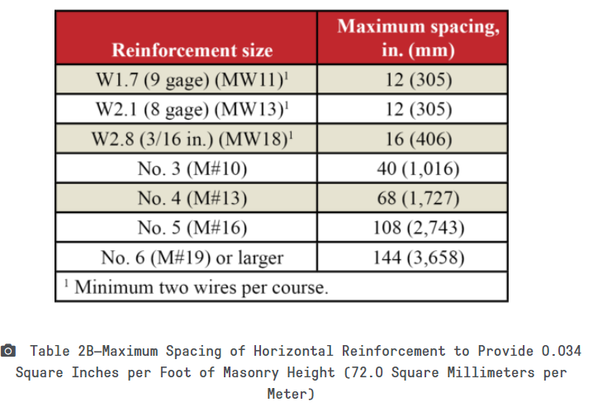

The decision to utilize this information is not within the purview of the MIM, and persons making use of this information do so at their own risk. MIM makes no representation or warranties, expressed or implied, with respect to the accuracy or suitability of this information. MIM and its members disclaim liability for damages of any kind, including any special, indirect, incidental, or consequential damages, which may result from the use of this information. This information is not to be interpreted as indicating compliance with, or waiver of, any provision of any applicable building code, ordinance, standard or law.

Alternative Engineered Method NCMA TEK 10-3 (2003)

CMU Veneer
CMU Veneer Joint Spacing
Wall Height: | 12 |  | 4 | in
Method: | Empirical

Maximum Length-to-Height Ratio: | 1.5
Maximum Control Joint Spacing: | 20

Straight Wall Length (ft): | 18.000 | ft
Corner Length (ft): | 0.333 | ft

CMU Veneers TEK 10-04 (2001)
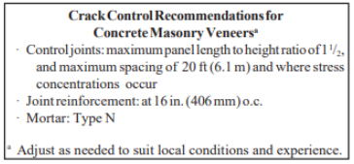

The decision to utilize this information is not within the purview of the MIM, and persons making use of this information do so at their own risk. MIM makes no representation or warranties, expressed or implied, with respect to the accuracy or suitability of this information. MIM and its members disclaim liability for damages of any kind, including any special, indirect, incidental, or consequential damages, which may result from the use of this information. This information is not to be interpreted as indicating compliance with, or waiver of, any provision of any applicable building code, ordinance, standard or law.

